Sheet1
 |  | Jan-21 | Feb-21 | Mar-21 | Apr-21 | May-21 | Jun-21 | Jul-21 | Aug-21 | Sep-21 | Oct-21 | Nov-21 | Dec-21 | Jan-22 | Feb-22 | Mar-22 | Apr-22 | May-22 | Jun-22 | Jul-22 | Aug-22 | Sep-22 | Oct-22 | Nov-22 | Dec-22 | Jan-23 | Feb-23 | Mar-23 | Apr-23 | May-23 | Jun-23 | Jul-23 | Aug-23 | Sep-23 | Oct-23 | Nov-23 | Dec-23 | Jan-24 | Feb-24 | Mar-24 | Apr-24 | May-24 | Jun-24 | Jul-24 | Aug-24 | Sep-24 | Oct-24 | Nov-24 | Dec-24 | Jan-25 | Feb-25 | Mar-25 | Apr-25 | May-25 | Jun-25
total cars | value (mln US$) | 87.047394 | 74.712128 | 108.473537 | 131.580784 | 72.00144 | 123.697137 | 108.474927 | 146.889487 | 88.578083 | 137.771738 | 153.055123 | 170.386197 | 217.772738 | 142.769469 | 186.43045 | 72.223764 | 20.099677 | 20.134591 | 19.596541 | 16.611442 | 109.357105 | 151.368114 | 234.328923 | 312.327176 | 361.633146 | 539.920335 | 707.261007 | 886.753693 | 767.506658 | 981.041209 | 1025.545351 | 1016.700844 | 1208.091798 | 1205.175877 | 1309.060022 | 840.76937 | 751.367796 | 636.248692 | 838.166025 | 1167.748347 | 1273.075539 | 1282.525631 | 1215.020464 | 1568.290756 | 1689.646243 | 1423.12284 | 1382.683678 | 1318.746854 | 482.094363 | 215.729578 | 556.406923 | 450.115381 | 312.976336 | 369.396689

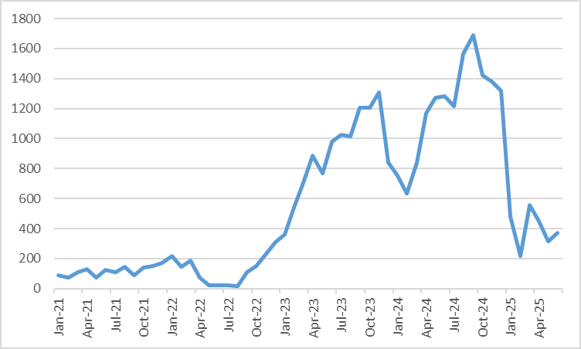

Source: General Administration of Customs People's Republic of China
Title: China's export of cars to Russia
Scale: mln US$

